Sheet1

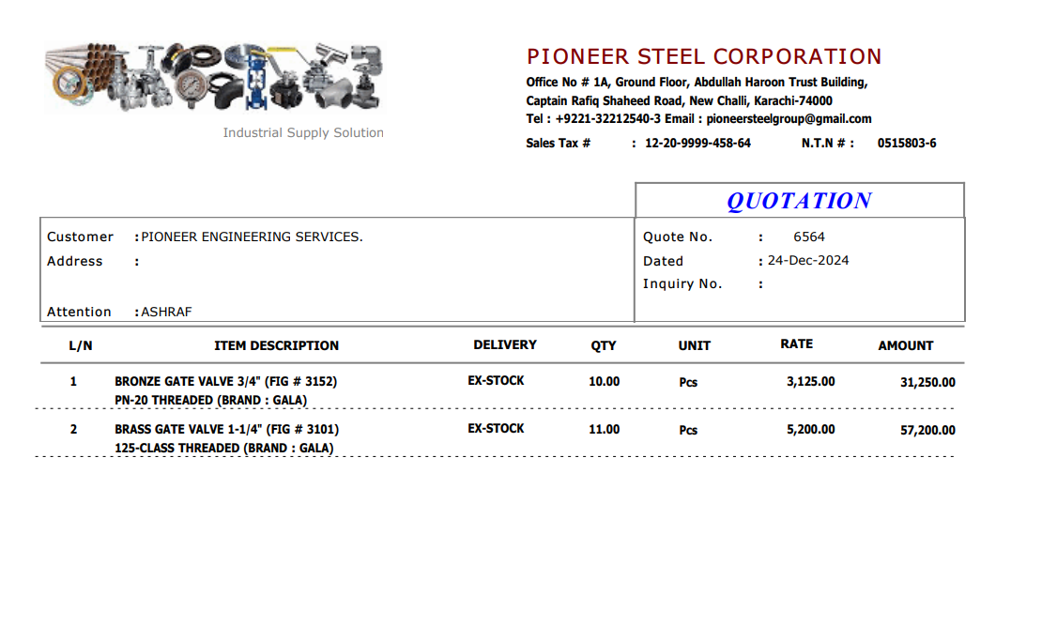

M/S Delta Industrial Supplies |  |  |  |  | 24-Dec-24

PO # MZN-1748
Att: Mr. Sheeraz

PURCHASE ORDER

Supply of Valves (Meezan Bank Gujranwala)
S No. | D e s c r i p t i o n | Qty | Unit | Rate | Amount
 | Brand: GALA
1 | Gate Valve 3/4" Dia (Bronze) | 10 | Nos | 3,125 | 31,250
1 | Gate Valve 1-1/4" Dia (Bronze) | 11 | Nos | 5,200 | 57,200
 |  | TOTAL: |  |  | 88,450

for Pioneer Services

